Workout
Valuation
Transaction Comparables

Workout
 | Below is a screen shot from the deal presentation given by BAT regarding its acquisition of Reynolds American Inc. (RAI)
 | How many shareholders of RAI need to approve the deal for it to progress to completion (all other things being equal)?

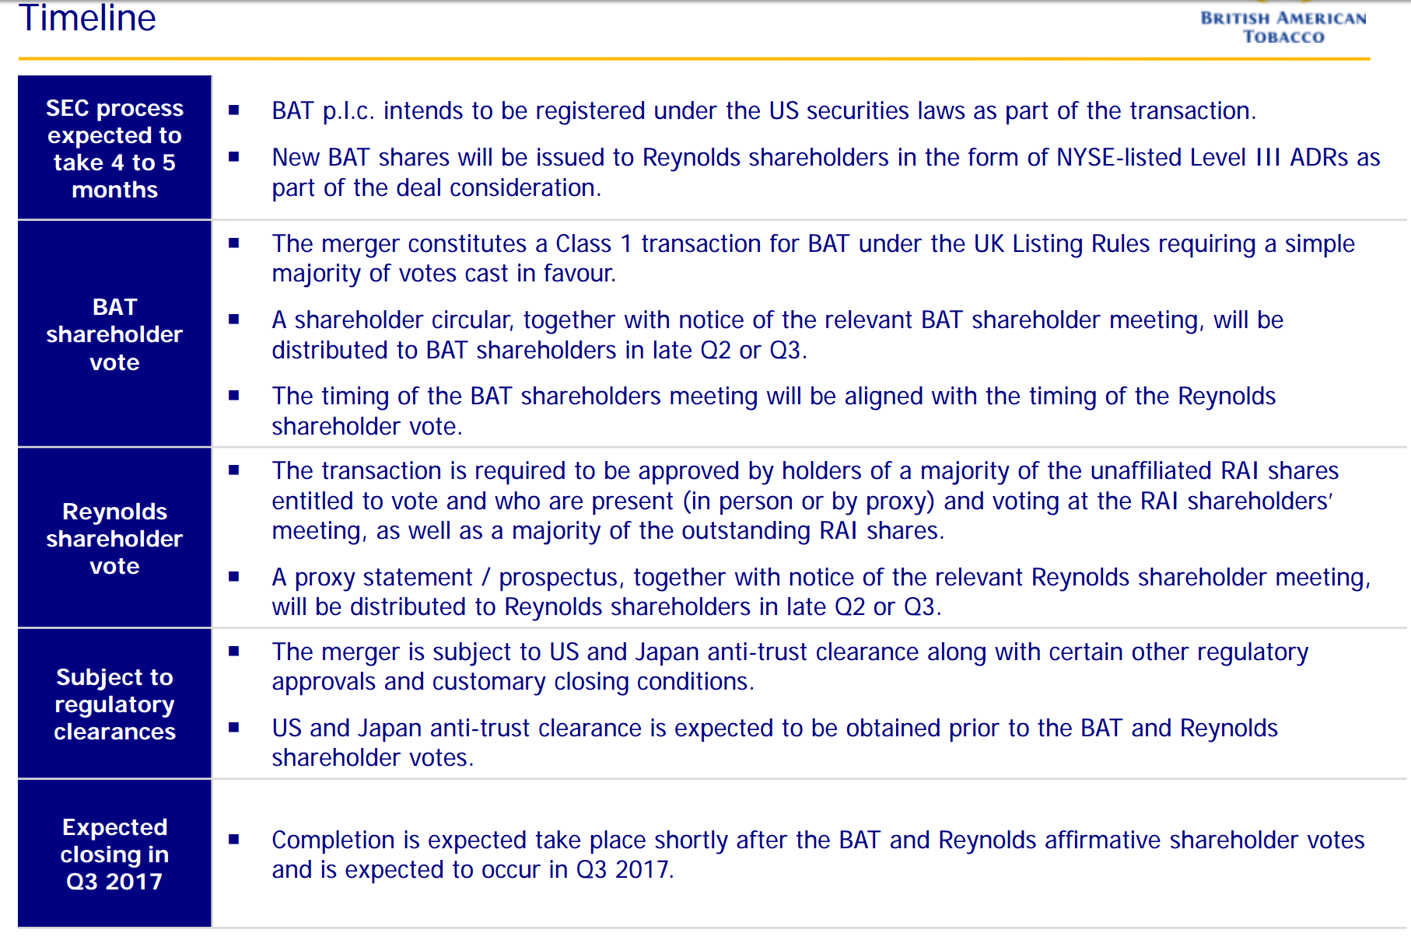

End

